Question1
Q1. What is the best way to pass arguments to the VBA function?
Sol:
We can pass arguments to a procedure (VBA function) by reference or by value. By default, in excel VBA passes arguments by reference. I think the bast way to pass agruments to the VBA function is by value because if we pass the arguments by value then original value of any argument will not change.

Question2
Q2. In Excel, how can you inspect a function or formula?
Sol:
Suppose we write a formula in excel, if it is bit complex and its output is not correct. At this time it is dificult to search the error in the formula, so we can inspact the formula step by step for searching and remove it. First of all select a part of formula which will some result then click F9, it will show the value of that part of the formula if any error is their then it will show anyone of error present in excel, after checking always press "ctrl+Z" to make that part to formula again.Show in the figure as below:
Step1: Double click on any formula in the sheet and select any part of it which will give certain result
Step2: Select "G3" in the formula and click F9 then it will show result of that part if any error then we can eidt formula and make it correct.
We can also inspect a formula and function by click on it and the go to Formulas>Formula Auditing> Evaluate Formula / "Error Checking". If we want to evaluate step by step formula then click on the "Evaluate Formula" or we can go to "Error Checking" option for more analysis in the formulas. Show in the figure:
After clicking on "Evaluate Formula" this will appears
and as we click on Evaluate button in it ti will show step
by step result of the formula.
We can can click on "Error Checing" for more analysis on formula or function.

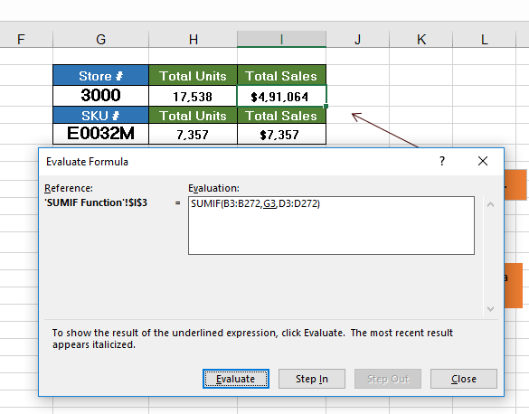

Click on it for Evaluation

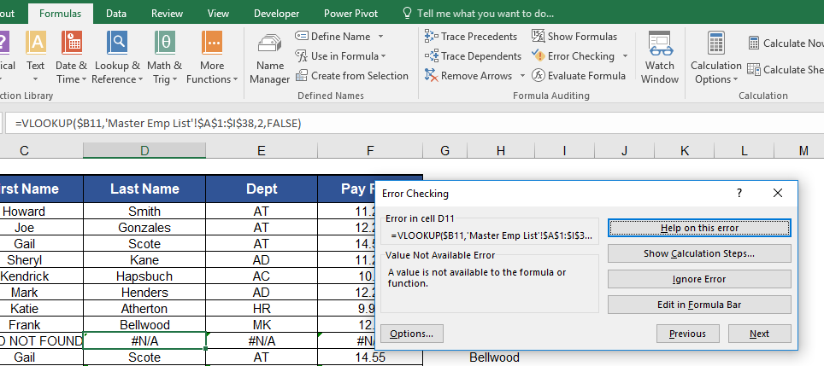

After Clicking on"Error Chekcing" this window will open and here we can do some more analysis on formula and function.

Question3
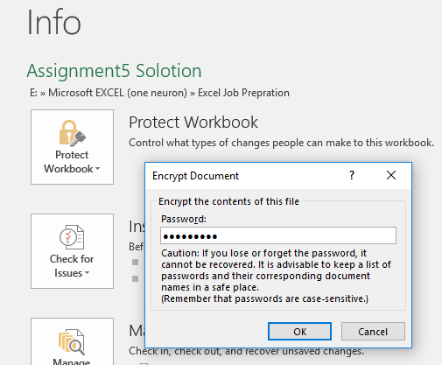
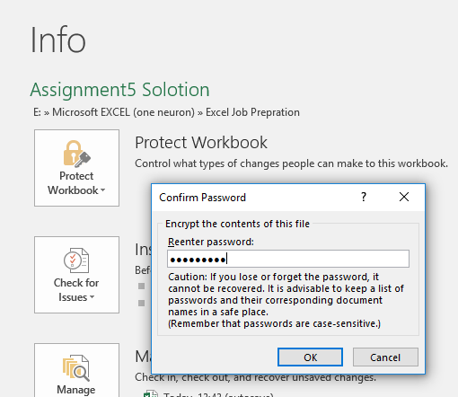
Q3. Is it possible to safeguard workbooks in Excel? How?
Sol:
Yes, It is possible to safegurard the workbooks in Excel. We have two options for safegurd the workbook 1) By going in Review>Changes> "Protect Workbook" and 2) go to File>Info>"Protect Workbook".
Suppose we have a importent data and we have to protect it, then we can encrypt that workbook by Pasword by going in Review>Changes>"Protect Workbook" here we have to type Password which we have to remember it during opening the file otherwise we can not open it. Lets see in the figure below:-
Step1: Type the Password Step2: Confirm the Password
We can safeguard the workbook as above or we can also do it by another way is as follow in the below figure:
Step1 Step2
Step3: Type the Password Step4: Confirm the Password
-

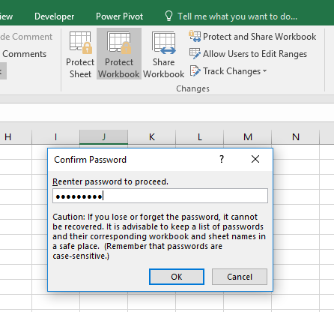
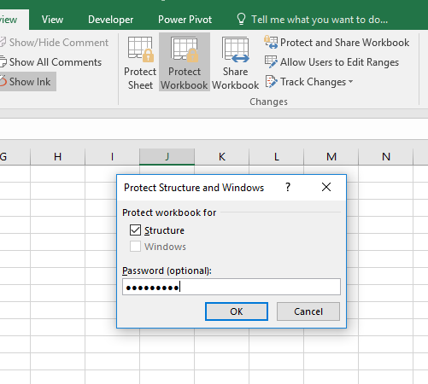

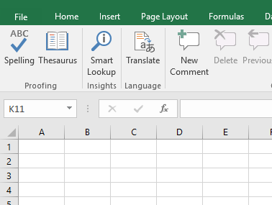

Click on File

Question4
Q4. In Excel, what is the order of operator precedence for formulas?
Sol:
In excel, order of precedence of operator plays an important for calculation of correct output in any formula. So it is very importent to keep in mind that order of operator should be correct in amy formula.Briefly we can divide operator in four different type in excel, Arithematic Operator, Text Operator, Comparison Operator and Reference Operator.
Order of Precedence of Operator:-

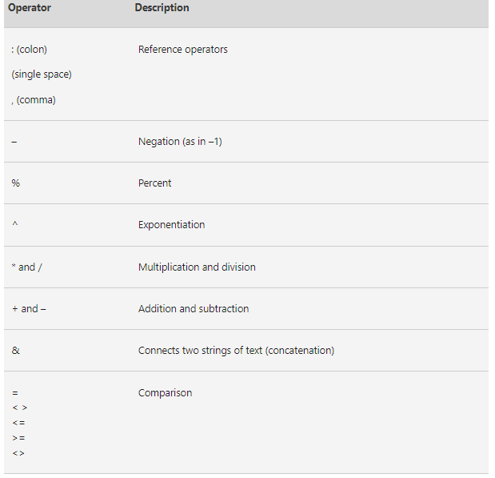
Order Of Precedence

1. Reference Operator

Order of sub part of all four Operotors is UP to DOWN

2. Arithematic Operator

3. Text Operator

4. Comparision Operator

Question5
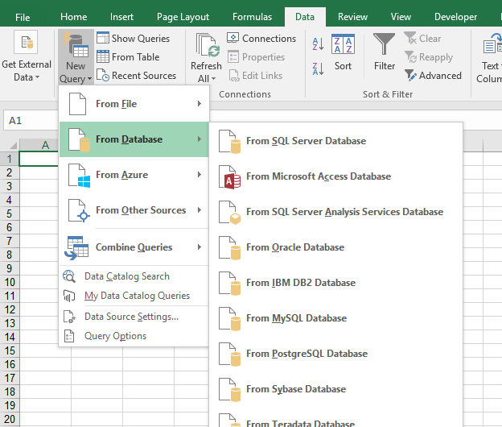
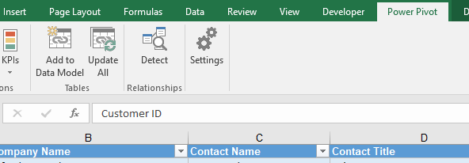
Q5. Is it possible to create a pivot table with data from different sources?
Sol:
Yes, it is possible to create pivot with data from different sources . In excel we have many options for importing relational database from different sources like MySQL, Microsoft SQL Server, Microsoft Access etc. We can also import data from text files but only if it is in proper formate like csv or tab seperation. After importing from different sources in different worksheets we have to create Data Model from going to "Power Pivot">"Add to Data Model"( in excel 2016), similarly add another sheets also in Data Model and create a relationship between them, now we can create "data related pivot table" from all the of data which was added to Data Model.
Step:1 Import Data from Different Sources
Step:2 Adding imported Data to Data Model
Step:3 Creating Pivot Table

Question6
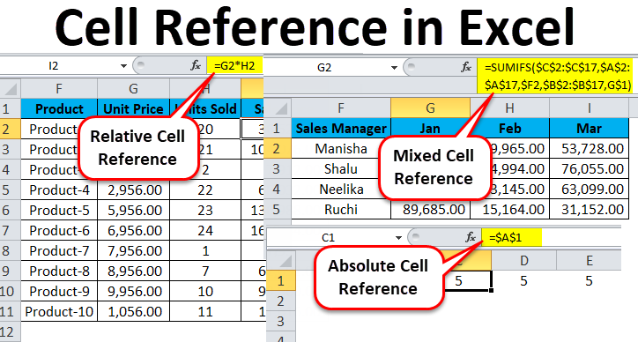
Q6. What is the significance of the cell reference in the calculation?
Sol:
Their are many significance of cell reference in the calculation in excel like:-
1)Not need to write all the values for calculation, by the help of cell referencing we can make it vary easy just by wirte the cell number in the formula it will take the value form that cell and if we change the value of the cell then due to referencing, value in the formula will automatically updated.
2) If we have to write the same formula in other cells (row/column) then we have to just write formula in a cell and we can drag that formula through column/row for writing the same formula with different cell reference in all the cell.
3) absolute cell referencing will fix the cell/range of cells for formula if we drag the formula in column/row then it wll not change or we have relative cell referencing, it relative cell referencing if we drag the formula from one cell to another the formula will change accordinglly. we use both type of cell referencing according to our requirement during calculation.

